Sheet1
Sr. No | Design | Details | Qty | Rate | Amount
1 | 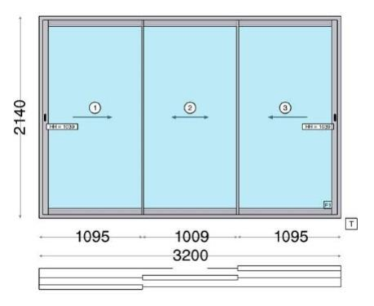 | SFD1 Typology: 3 Track 3 Glass Shutters System: A3500 Sliding Series Profile: Aluline Sizes: 3200mm x 2140mm Window Hardware: Multipoint Touch Lock Coating Type: Powder Coating | 1 | 78592 | 78592
2 | 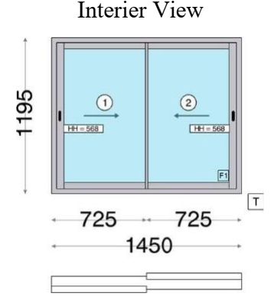 | W-1 Typology: 2 Track 2 Glass Shutter System: A3000 Sliding Series Profile: Aluline Sizes: 1450 mm x 1195mm Coating Type: Powder Coating Window Hardware: Single-point Locking and Touch Lock | 1 | 22257 | 22257
3 | 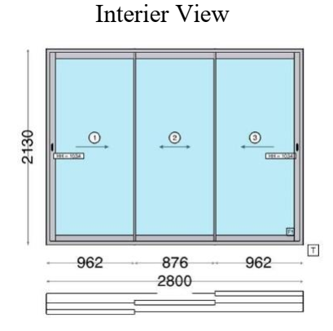 | SD1 Typology: 3 Track 3 Glass Shutter System: A3500 Sliding Series Profile: Aluline Sizes: 2800 mm x 2130mm Coating Type: Powder Coating Window Hardware: Multi point Touch Lock | 1 | 71713 | 71713
4 | 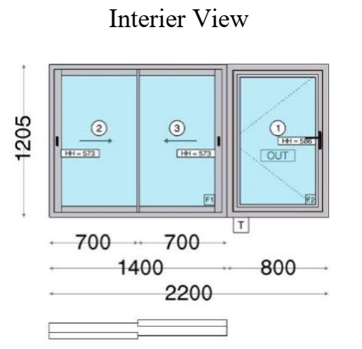 | W-2 Typology: 2Track 2 Glass Shutter and Openable Window System: A3000 Sliding Series & A4000 Casement Series Profile: Aluline Sizes: 2200 mm x 1205mm Coating Type: Powder Coating Window Hardware: Single point Locking and Cockspur handle | 1 | 34353 | 34353
5 | 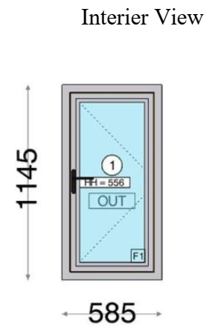 | W- 3 Typology: Openable Window System: A 4000 Casement Series Profile: Aluline Sizes: 585 mm x 1145mm Coating Type: Powder Coating Window Hardware: Single point Locking and Cockspur handle | 1 | 10437 | 10437
6 | 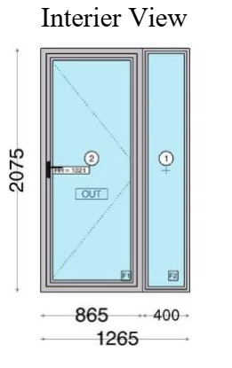 | SD2 Typology: Openable Door System: A 4000 Casement Series Profile: Aluline Sizes: 1265mm x 2075mm Window Hardware: Single point Locking with Cockspur Handle Coating Type: Powder Coating | 1 | 25926 | 25926
7 | 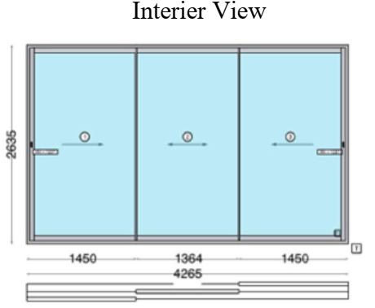 | SD3 Typology: 3Track 3 Glass Shutter System: A3500 Sliding Series Profile: Aluline Sizes: 4265 mm x 2635mm Coating Type: Powder Coating Window Hardware: Multi Point touch lock | 1 | 111355 | 111355
Total |  |  |  |  | 354633
CGST 9% |  |  |  |  | 31916
CGST 9% |  |  |  |  | 31916
Grand Total |  |  |  |  | 418466

